Foreword
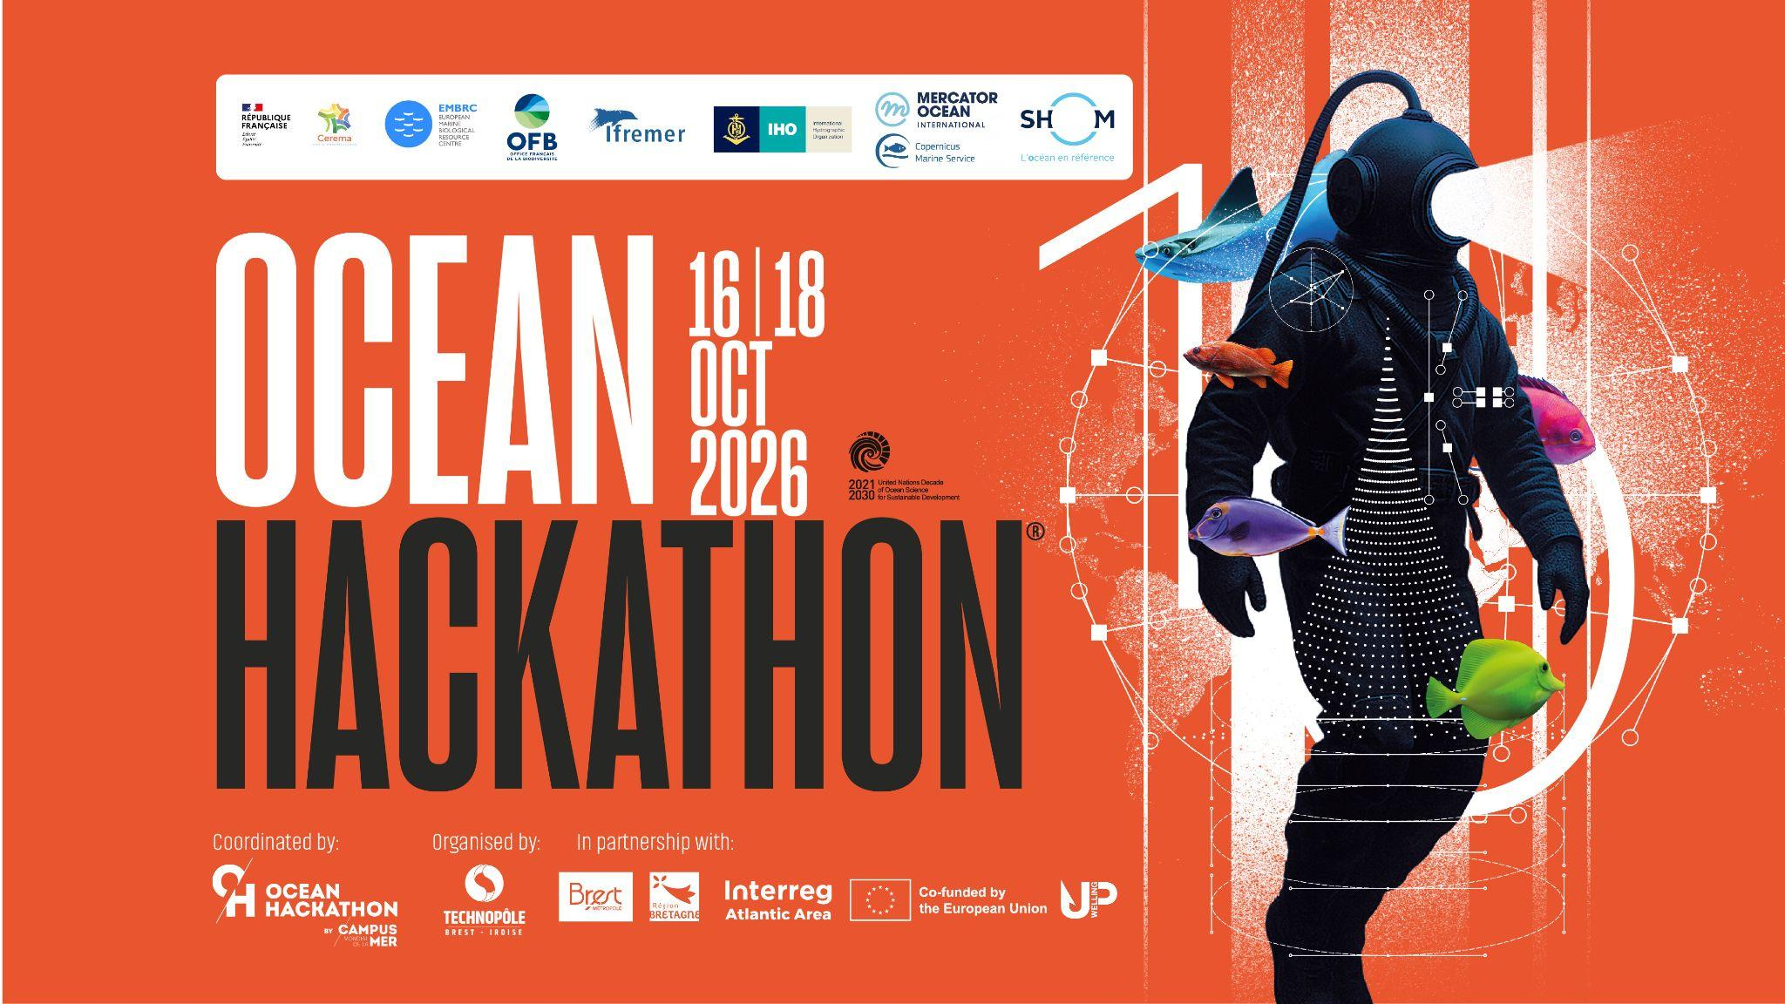

Description of your team and project

In this Excel file, you are invited to describe the project you develop during Ocean Hackathon®. Information are not only an update of those present in the catalogue of challenges but also a description of the team composition, the ambition after the event to pursue the project and the data used during the local event. It can help coaches to better follow-up the developpement of your project during the weekend.

This form is made available to the coaches but not to the other teams.

Information regarding data used are very important to improve the next editions of the event.

Questions with * are required
Document can be fill in in your native language

